Dashboard
Sales Performance Dashboard


Quantity
Average Amount
Total Revenue
Products Category

₹ 1,625,797
2654
2865
₹ 591.18

Total Revenue by State
Sales by Ship Service Level
 | Total
Expedited | ₹ 1,088,153.00
Standard | ₹ 605,564.85
Total Revenue by Category
 | Total
Set | ₹ 811,969.00
kurta | ₹ 493,060.00
Top | ₹ 127,722.00
Western Dress | ₹ 109,494.00
Blouse | ₹ 29,025.00
Ethnic Dress | ₹ 19,910.00
Bottom | ₹ 18,055.00
Saree | ₹ 16,257.00
Dupatta | ₹ 305.00

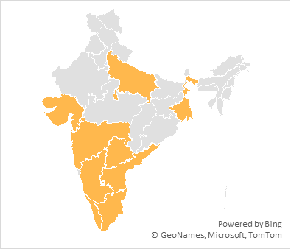

Order by Courier Status
 | Total
Unshipped | 73
Cancelled | 233
Shipped | 2559
Order by Status
 | Total
Shipped | 1699
Shipped - Delivered to Buyer | 796
Cancelled | 288
Shipped - Returned to Seller | 51
Shipped - Picked Up | 13
Pending | 9
Pending - Waiting for Pick Up | 7
Shipped - Returning to Seller | 2
Sales Trend
 | Total
Jan | ₹ 12,199.00
Feb | ₹ 8,836.00
Mar | ₹ 16,303.00
Apr | ₹ 1,278,239.00
May | ₹ 131,188.00
Jun | ₹ 80,170.00
Jul | ₹ 14,415.00
Aug | ₹ 20,405.00
Sep | ₹ 16,774.00
Oct | ₹ 17,528.00
Nov | ₹ 13,897.00
Dec | ₹ 15,843.00

